Sheet1
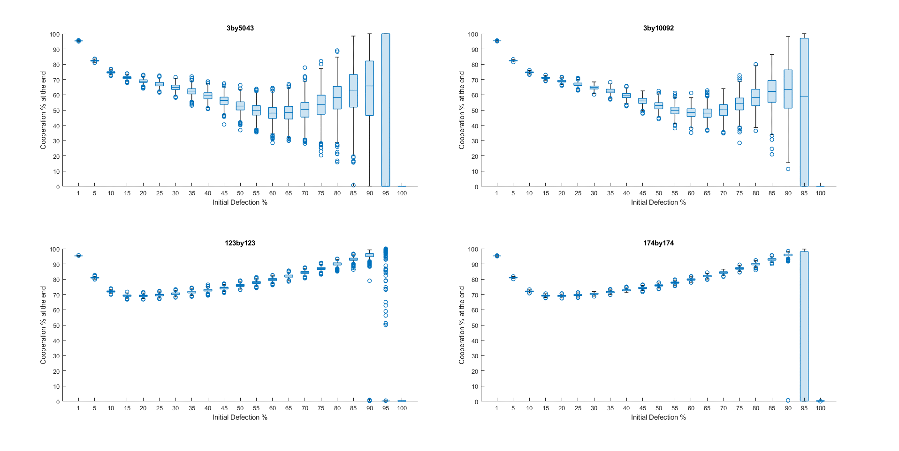

Category 1

nxn: very tight boxes in the box plot indicating little variation in outcomes;
as the the size of the graph increases, the boxes become tighter indicating less variation.
With perturbation levels of 95% in the smaller graphs we see very large boxes indicating a larger
variation (runs heading to all cooperation or all defection).

3xm: decreasing variance as we grow indicated by the tighter boxes

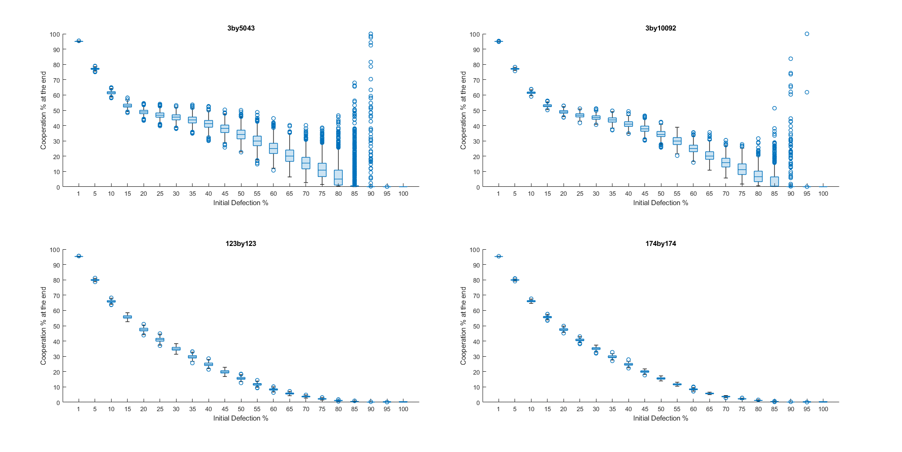

Category 2.1

nxn: very tight boxes in the plots and these again become tighter as we grow the graph indicating
a reduction in the variance

3xm: boxes again become tighter as we grow the graph size

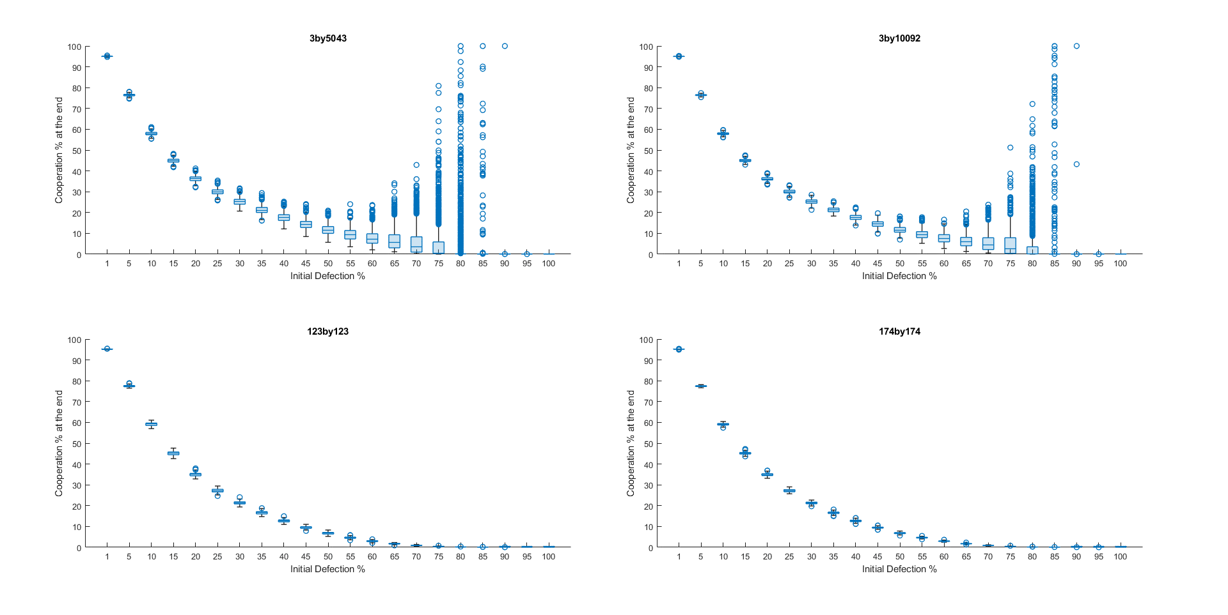

Category 2.2

nxn: very little variation in outcomes and little change as we increase the size of the graph.

3xm: boxes tighter as we grow (decreasing variance) + we get larger box at 80

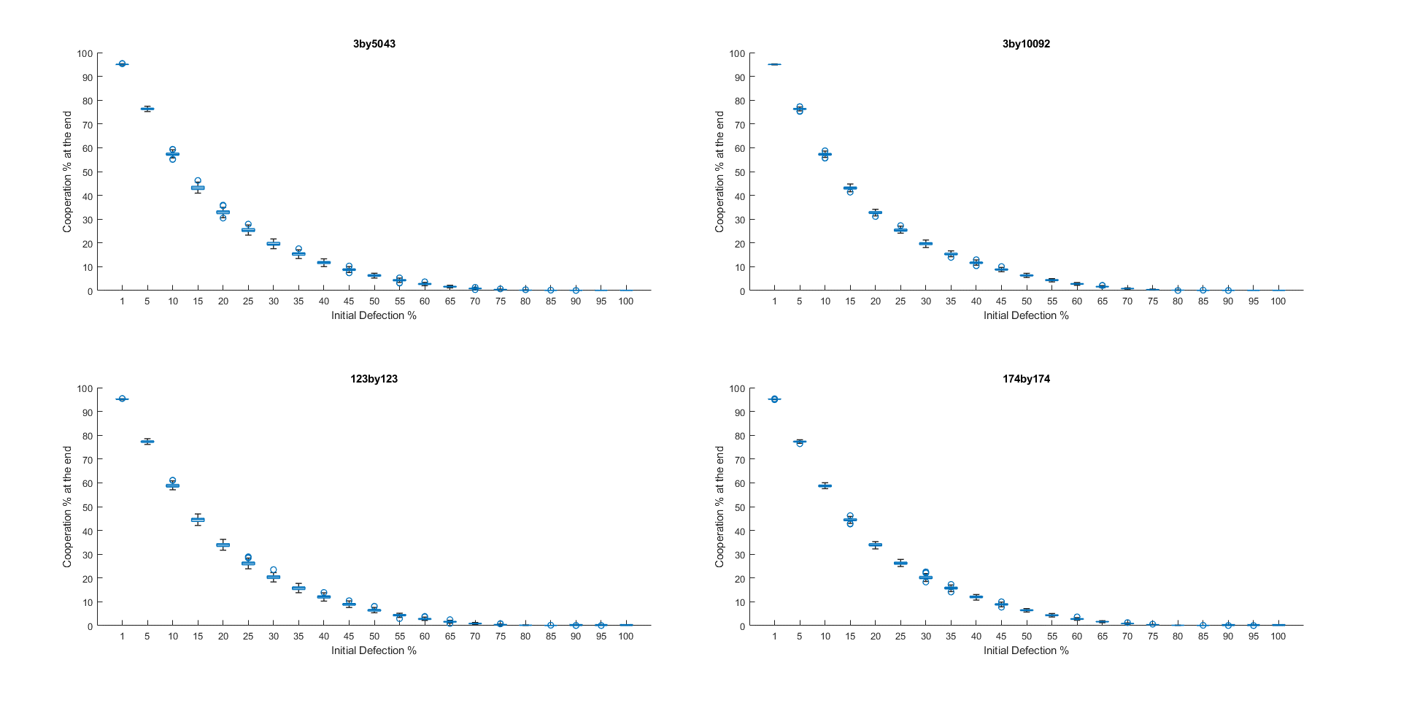

Category 2.3

nxn and 3xn: very tight boxes and very little change as we grow the graph size

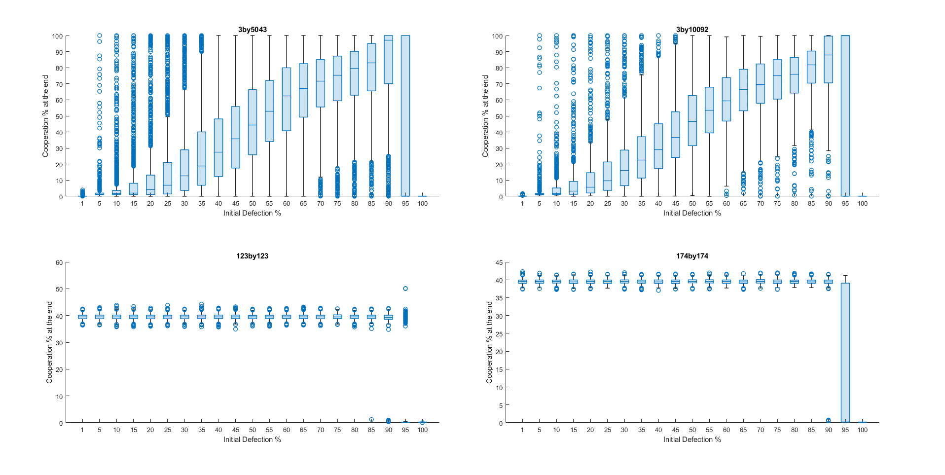

Category 3

nxn: Little variance and decreasing variance as we increase the graph; we get large box at 95

3xm: Decreasing variance as we grow the graphs

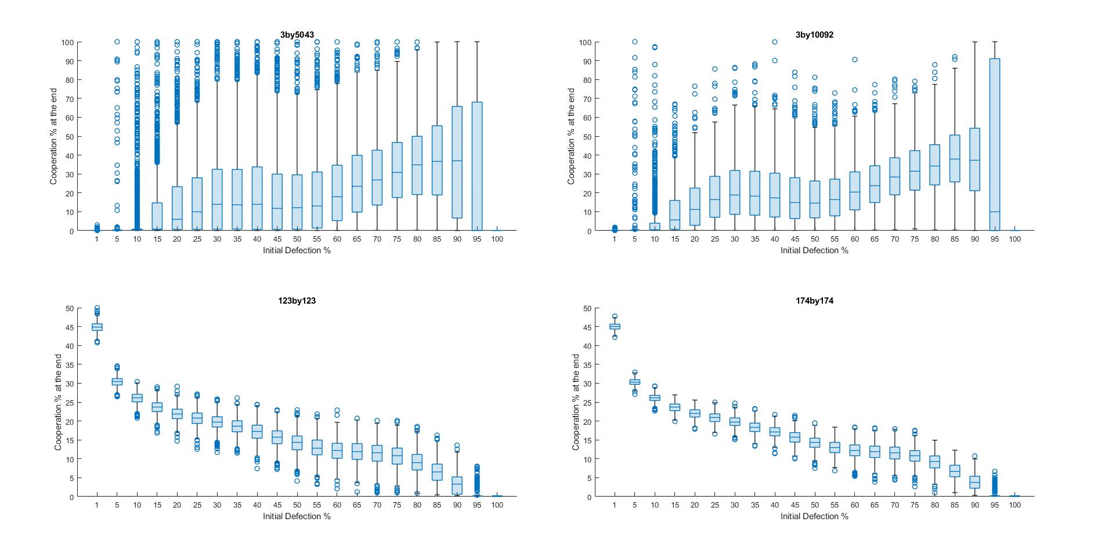

Category 4

nxn: decreasing variance as we grow

3xm: decreasing variance as we grow + we get larger box at 10

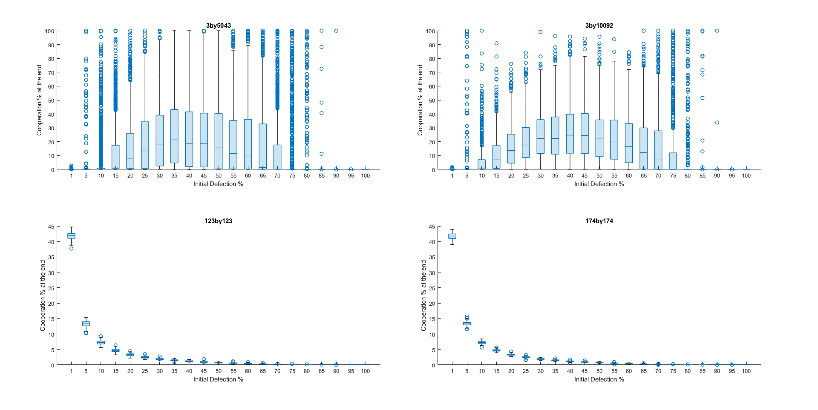

Category 5

nxn: Little change as graphs grow in size.

3xm: Decreasing variance again witnessed + we get larger boxes at 10 and 75

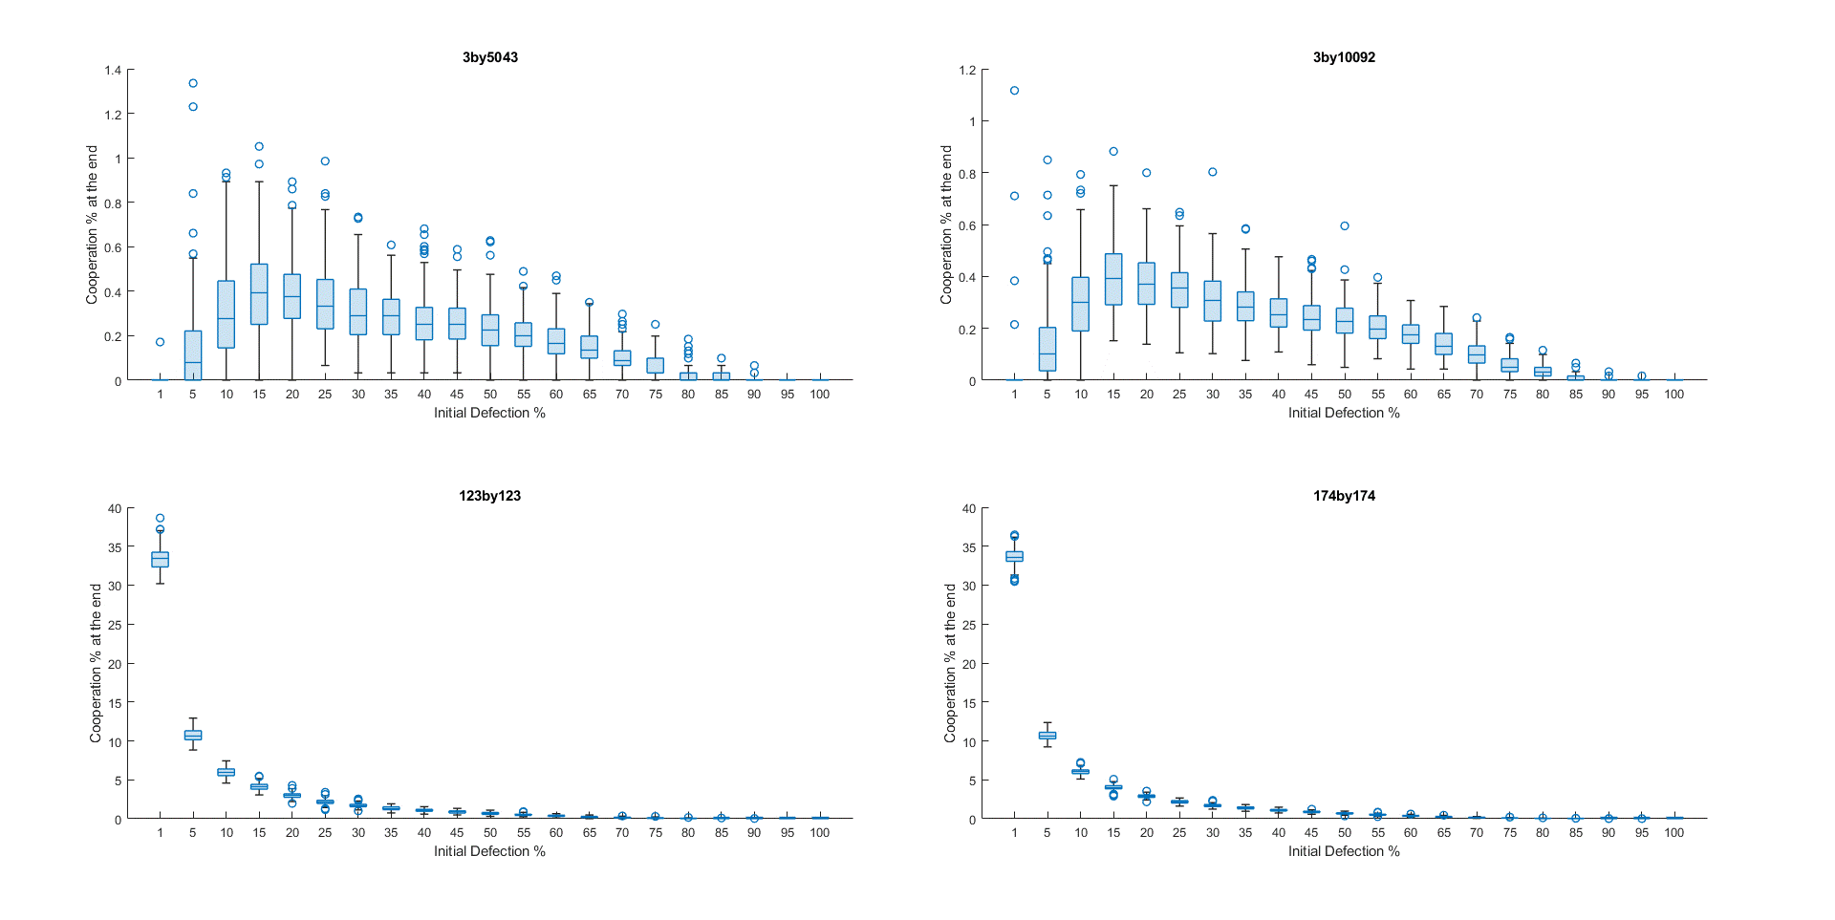

Category 6

nxn: Little change as graphs grow in size.

3xm: Decreasing variance again witnessed

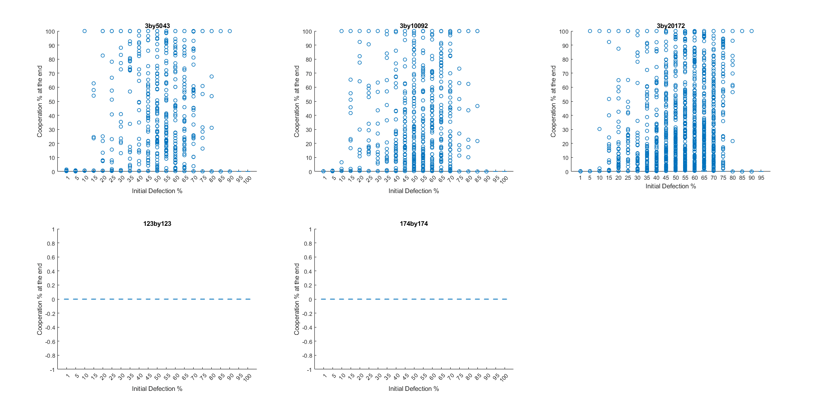

Category 7

nxn all 0: as defection spreads in all cases.

3xm: close to 0 as defection spreads a lot, with some exceptions indicated by the outliers,
more outliers as graphs grow in size.

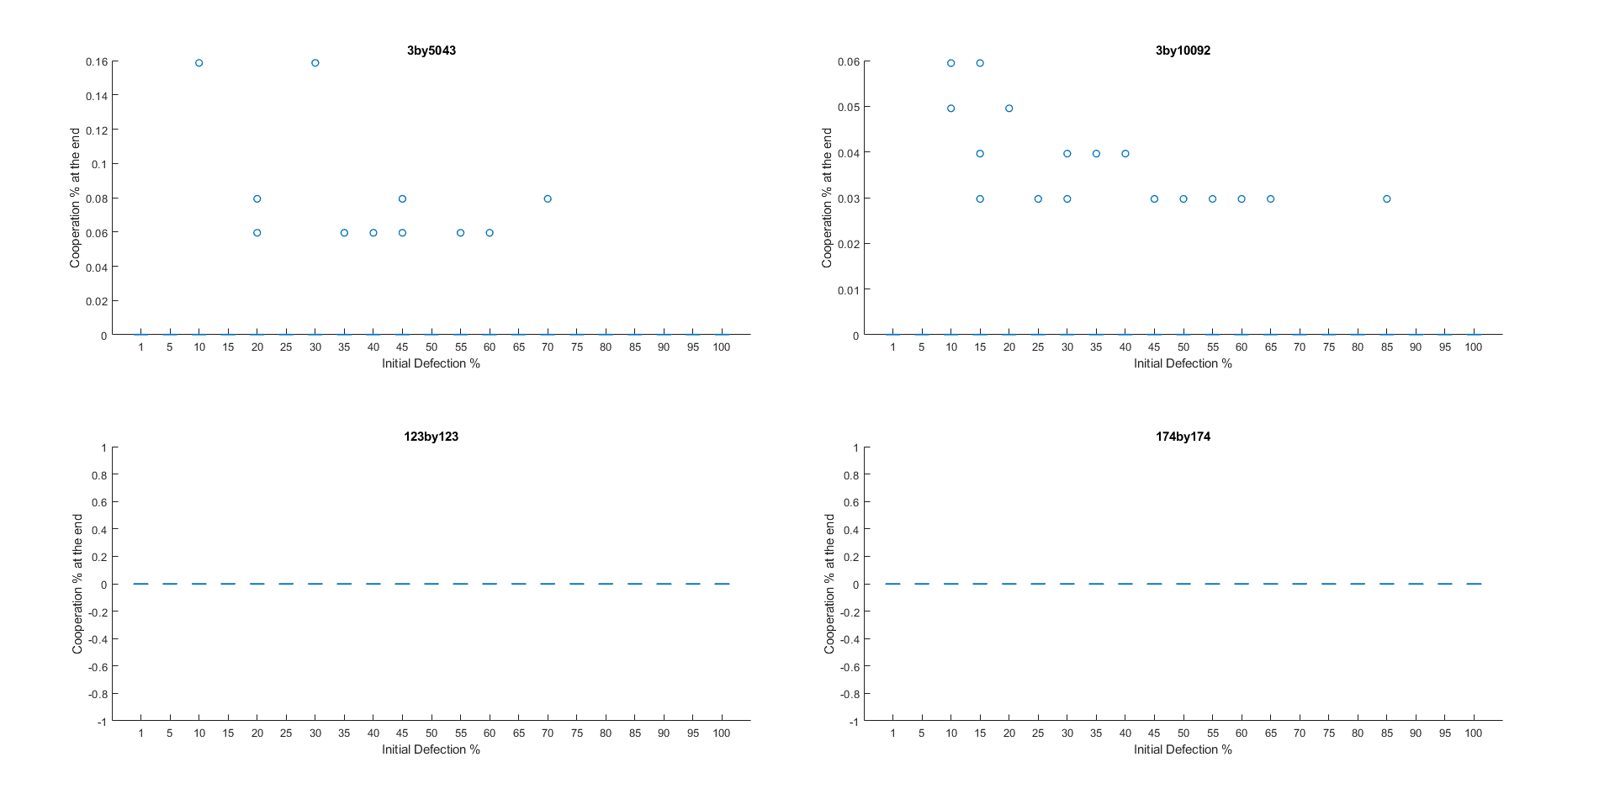

Category 8

nxn all 0: as defection spreads in all cases.

3xm: close to 0 as defection spreads in all but a few outliers

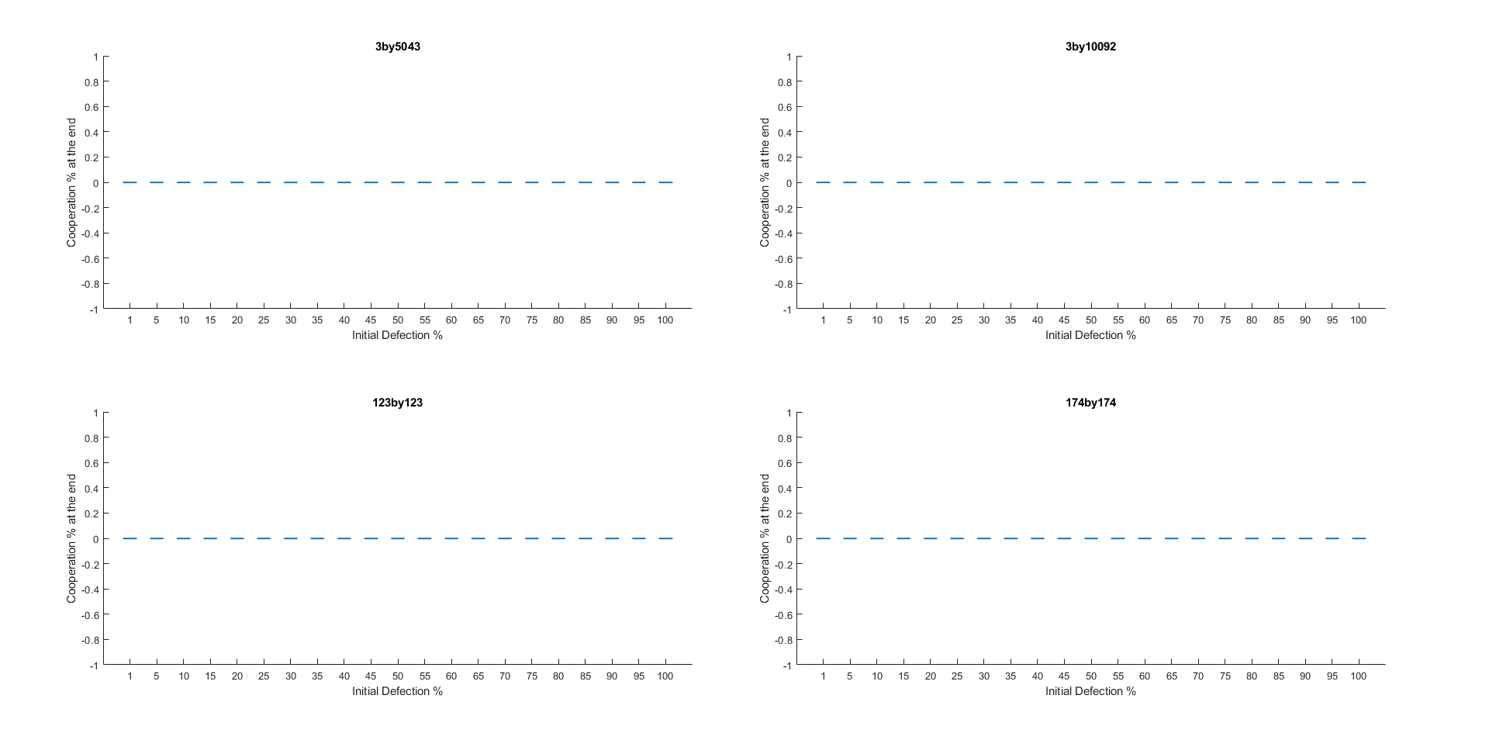

Category 9

all 0 as defection spreads and dominates in all runs

